Composition_table
 |  | Initial in North East and North West wells |  |  | Initial in South East and South West wells
Estimated GOR (Sm3/Sm3) based on the Bacalhau separation process below | 337 | 351 | 389 | 391 | 393 | 398 | 403 | 407 | 417 | 442 | 491 | 588 | 686 | 784 | 883 | 1129 | 1379 | 1875 | 2889 | 5377 | 57,730

Composition name | GOR_337 | GOR_351 | GOR_389 | GOR_391 | GOR_393 | GOR_398 | GOR_403 | GOR_407 | GOR_417 | GOR_442 | GOR_491 | GOR_588 | GOR_686 | GOR_784 | GOR_883 | GOR_1129 | GOR_1379 | GOR_1875 | GOR_2889 | GOR_5377 | GOR_57730

Composition given in | Mol% | Mol% | Mol% | Mol% | Mol% | Mol% | Mol% | Mol% | Mol% | Mol% | Mol% | Mol% | Mol% | Mol% | Mol% | Mol% | Mol% | Mol% | Mol% | Mol% | Mol%
N2 | 0.575 | 0.585 | 0.605 | 0.606 | 0.607 | 0.610 | 0.612 | 0.615 | 0.620 | 0.631 | 0.652 | 0.684 | 0.708 | 0.727 | 0.741 | 0.768 | 0.786 | 0.809 | 0.831 | 0.852 | 0.873
CO2 | 0.020 | 0.020 | 0.020 | 0.020 | 0.020 | 0.021 | 0.021 | 0.022 | 0.023 | 0.026 | 0.031 | 0.039 | 0.045 | 0.050 | 0.053 | 0.060 | 0.065 | 0.070 | 0.076 | 0.081 | 0.086
C1 | 62.183 | 62.821 | 64.222 | 64.286 | 64.356 | 64.507 | 64.655 | 64.801 | 65.083 | 65.743 | 66.899 | 68.715 | 70.077 | 71.137 | 71.984 | 73.510 | 74.527 | 75.798 | 77.069 | 78.225 | 79.461
C2 | 8.069 | 8.096 | 8.161 | 8.164 | 8.168 | 8.185 | 8.201 | 8.217 | 8.249 | 8.323 | 8.452 | 8.655 | 8.807 | 8.926 | 9.020 | 9.191 | 9.305 | 9.447 | 9.589 | 9.718 | 9.856
C1 vs GOR
C3 | 5.047 | 5.021 | 4.969 | 4.967 | 4.964 | 4.976 | 4.987 | 4.998 | 5.020 | 5.070 | 5.158 | 5.297 | 5.401 | 5.481 | 5.546 | 5.662 | 5.740 | 5.837 | 5.934 | 6.022 | 6.116
I-C4 | 1.069 | 1.058 | 1.037 | 1.036 | 1.035 | 1.034 | 1.033 | 1.033 | 1.031 | 1.028 | 1.023 | 1.015 | 1.009 | 1.004 | 1.000 | 0.993 | 0.988 | 0.982 | 0.977 | 0.971 | 0.966
N-C4 | 1.858 | 1.837 | 1.795 | 1.793 | 1.791 | 1.788 | 1.785 | 1.782 | 1.777 | 1.764 | 1.742 | 1.707 | 1.681 | 1.661 | 1.645 | 1.616 | 1.596 | 1.572 | 1.548 | 1.526 | 1.502
I-C5 | 0.681 | 0.671 | 0.649 | 0.648 | 0.647 | 0.644 | 0.642 | 0.640 | 0.635 | 0.625 | 0.606 | 0.577 | 0.556 | 0.539 | 0.525 | 0.501 | 0.485 | 0.465 | 0.444 | 0.426 | 0.406
N-C5 | 0.788 | 0.776 | 0.749 | 0.747 | 0.746 | 0.742 | 0.739 | 0.735 | 0.729 | 0.713 | 0.685 | 0.641 | 0.608 | 0.582 | 0.562 | 0.525 | 0.500 | 0.469 | 0.439 | 0.411 | 0.381
C6 | 1.112 | 1.090 | 1.042 | 1.040 | 1.038 | 1.029 | 1.021 | 1.013 | 0.997 | 0.960 | 0.895 | 0.792 | 0.716 | 0.656 | 0.608 | 0.522 | 0.465 | 0.394 | 0.322 | 0.257 | 0.188
C7 | 1.138 | 1.117 | 1.073 | 1.071 | 1.069 | 1.059 | 1.048 | 1.038 | 1.018 | 0.972 | 0.891 | 0.764 | 0.668 | 0.594 | 0.535 | 0.428 | 0.356 | 0.267 | 0.178 | 0.097 | 0.011
C8 | 1.657 | 1.621 | 1.547 | 1.544 | 1.540 | 1.525 | 1.510 | 1.495 | 1.467 | 1.400 | 1.283 | 1.100 | 0.963 | 0.856 | 0.770 | 0.616 | 0.513 | 0.385 | 0.257 | 0.140 | 0.015
C9 | 1.472 | 1.437 | 1.362 | 1.359 | 1.355 | 1.342 | 1.329 | 1.316 | 1.291 | 1.232 | 1.129 | 0.968 | 0.847 | 0.753 | 0.678 | 0.542 | 0.452 | 0.339 | 0.226 | 0.123 | 0.013
C10+ | 14.332 | 13.851 | 12.771 | 12.720 | 12.665 | 12.540 | 12.417 | 12.296 | 12.062 | 11.514 | 10.554 | 9.047 | 7.916 | 7.036 | 6.333 | 5.066 | 4.222 | 3.166 | 2.111 | 1.151 | 0.125

C10+ mol wgt | 289.640 | 288.959 | 286.813 | 286.688 | 286.549 | 286.549 | 286.549 | 286.549 | 286.549 | 286.549 | 286.549 | 286.549 | 286.549 | 286.549 | 286.549 | 286.549 | 286.549 | 286.549 | 286.549 | 286.549 | 286.549
C10+ Density (gr/cc) | 0.8909 | 0.8907 | 0.8899 | 0.8898 | 0.8898 | 0.8898 | 0.8898 | 0.8898 | 0.8898 | 0.8898 | 0.8898 | 0.8898 | 0.8898 | 0.8898 | 0.8898 | 0.8898 | 0.8898 | 0.8898 | 0.8898 | 0.8667 | 0.8898

C7 MolWt | 97.365 | 97.365 | 97.365 | 97.365 | 97.365 | 97.365 | 97.365 | 97.365 | 97.365 | 97.365 | 97.365 | 97.365 | 97.365 | 97.365 | 97.365 | 97.365 | 97.365 | 97.365 | 97.365 | 97.365 | 97.365
C8 MolWt | 111.286 | 111.286 | 111.286 | 111.286 | 111.286 | 111.286 | 111.286 | 111.286 | 111.286 | 111.286 | 111.286 | 111.286 | 111.286 | 111.286 | 111.286 | 111.286 | 111.286 | 111.286 | 111.286 | 111.286 | 111.286
C9 MolWt | 125.253 | 125.253 | 125.253 | 125.253 | 125.253 | 125.253 | 125.253 | 125.253 | 125.253 | 125.253 | 125.253 | 125.253 | 125.253 | 125.253 | 125.253 | 125.253 | 125.253 | 125.253 | 125.253 | 125.253 | 125.253
C10+ MolWt | 289.640 | 288.959 | 286.813 | 286.688 | 286.549 | 286.549 | 286.549 | 286.549 | 286.549 | 286.549 | 286.549 | 286.549 | 286.549 | 286.549 | 286.549 | 286.549 | 286.549 | 286.549 | 286.549 | 286.549 | 286.549
C7 Density (kg/Sm3) | 748.787 | 748.787 | 748.787 | 748.787 | 748.787 | 748.787 | 748.787 | 748.787 | 748.787 | 748.787 | 748.787 | 748.787 | 748.787 | 748.787 | 748.787 | 748.787 | 748.787 | 748.787 | 748.787 | 748.787 | 748.787
C8 Density (kg/Sm3) | 771.408 | 771.408 | 771.408 | 771.408 | 771.408 | 771.408 | 771.408 | 771.408 | 771.408 | 771.408 | 771.408 | 771.408 | 771.408 | 771.408 | 771.408 | 771.408 | 771.408 | 771.408 | 771.408 | 771.408 | 771.408
C9 Density (kg/Sm3) | 788.640 | 788.640 | 788.640 | 788.640 | 788.640 | 788.640 | 788.640 | 788.640 | 788.640 | 788.640 | 788.640 | 788.640 | 788.640 | 788.640 | 788.640 | 788.640 | 788.640 | 788.640 | 788.640 | 788.640 | 788.640
C10+ Density (kg/Sm3) | 890.903 | 890.663 | 889.891 | 889.845 | 889.794 | 889.794 | 889.794 | 889.794 | 889.794 | 889.794 | 889.794 | 889.794 | 889.794 | 889.794 | 889.794 | 889.794 | 889.794 | 889.794 | 889.794 | 866.736 | 889.794

Separation_process
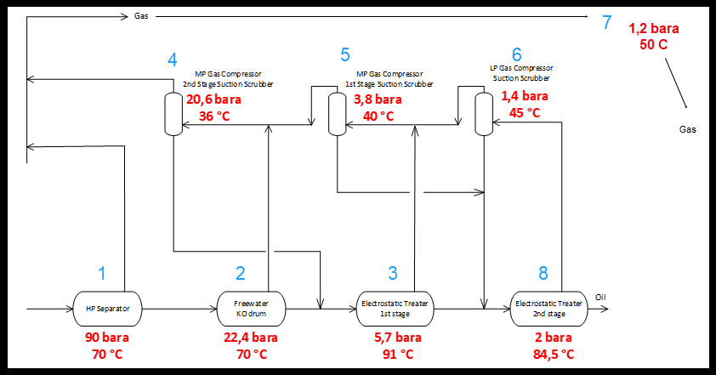
Separation process in the Calsep Routine in the Flow Computer

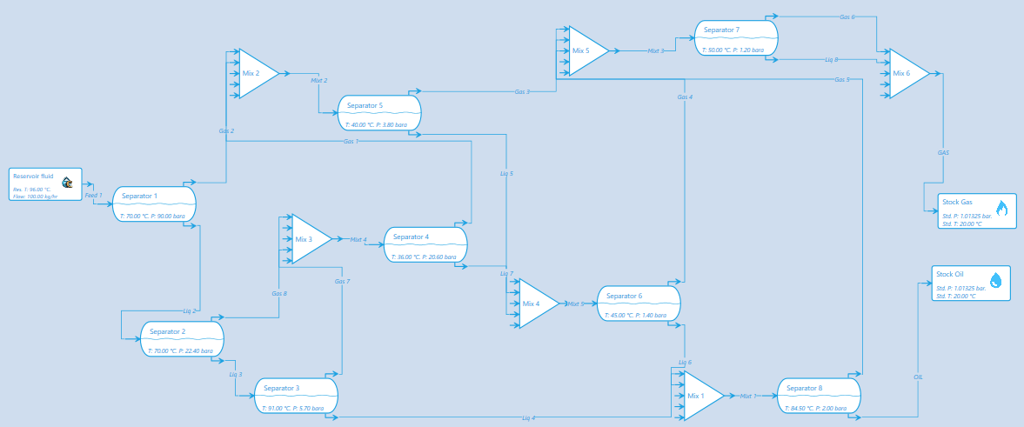

This is based on an interpretation of this assumed prosess:

